Before and After
5-S Before & After improvement sheet
SECTION :
S No. | Before Photo | Problem | Imidiate Action | Permanent Countermeasure | Responsibility (if other depp support requierd then Zone leader either Section head minimum) | Target date to complete | After picture | Target date for Horizental deployment with in section ( if applicable) | category (P/Q/C/D/S/M) | Need to revise in standard if yes than where | Approved By (Superior of Resp. person)
1 | 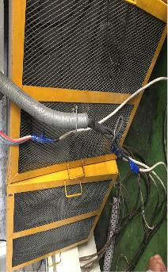 | Wires are in losse condition , which may cause for accident or machine breakdown | Instructed to concerned person for take care and instruction display in concerned area | Routing of wire to be done with help of Maintenance and it should be add as acheck point in machine check sheet for avoiding the same condition in future | Section head / zone leader | 25-Feb-17 | 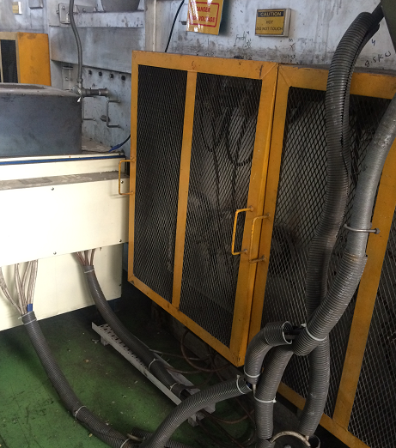 | 15-Mar-17 | S | Machine check sheet

